5012210
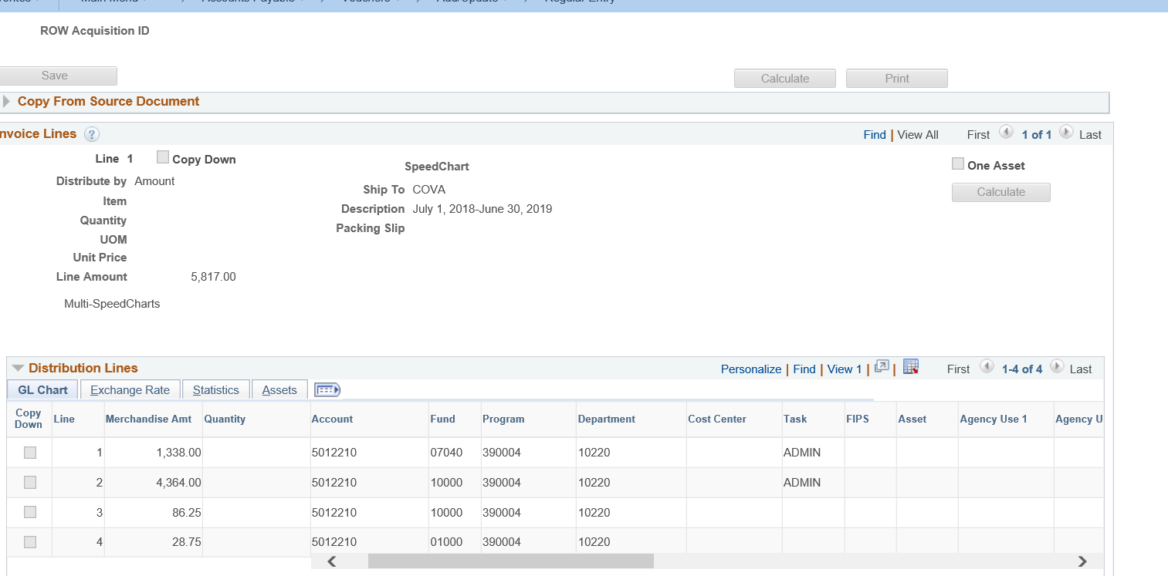
grantawardtitle | grantnumber | fiscal_year | accounting_period | journal_date | task | cost_center | fund_code | program | account | project_id | agency_use1 | gl595_descr254 | monetary_amount | agency_use2 | gl595_line_descr | journal_id | journal_line | voucher_id | accounting_dt_ap965 | name1 | ap965_descr | business_unit | deposit_id | dst_seq_num | accounting_dt_ar730 | v_dc_ticket_nbr | payment_method | sheet_id | line_nbr | accounting_dt_ap970 | sheet_name | business_purpose | business_unit_gl | emplid | ap970_descr254 | cardinal_id | cardinal_line | cardinal_date | jrnl_ln_ref | deptid | fips | asset | source | ledger_group | majorobject | business_unit_jrnl | acct_type | srvc_area_cd | pgm | srvc_area | cardinal_employee | rev_src_cd | bud_cat | cardinal_name | voucher_line_num | tin
Byrne Justice Assistance Grant | 2016-DJ-BX-0482 | 2019 | 9 | 2019-03-20 | ADMIN |  | 07040 | 390004 | 5012210 | CJS7101601 |  | Accounts Payable | 1338 |  | July 1, 2018-June 30, 2019 | AP01160413 | 35 | 00016310 | 2019-03-11 | NATIONAL CRIMINAL JUSTICE ASSOCIATION | July 1, 2018-June 30, 2019 | 14000 |  |  |  |  |  |  |  |  |  |  |  |  |  | 00016310 | 1 | 2019-03-11 | 00016310 | 10220 |  |  | AP | ACTUALS | 12 | 14000 | 5 | 39004 | 390 | 04 |  | 12210 | 07040390004CJS7101601 | NATIONAL CRIMINAL JUSTICE ASSOCIATION | 1 | 237347351

